Sheet1
WonderZon Retailer
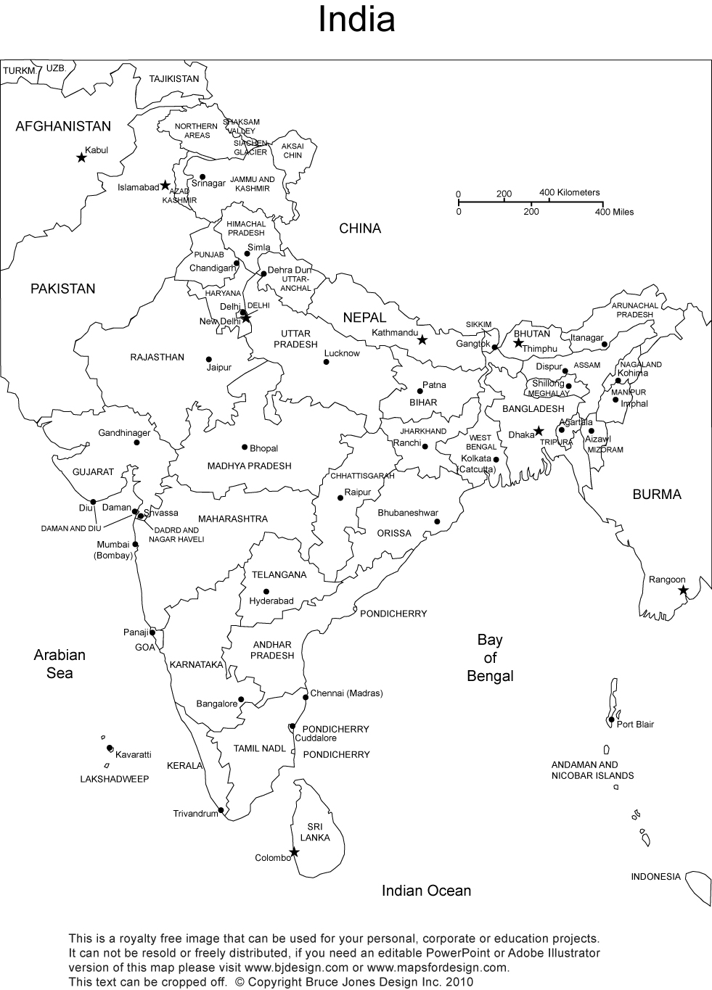

G(25)
 |  | Delivery Centers
 | From / To | Bengaluru (B) | Hyderabad (H) | Chennai (C)
Warehouses | Gurgoan (G) | 116 | 106 | 115
 | Mumbai (M) | 110 | 95 | 112

Delivery Centers | Minimum Quantity |  | Warehouses | Shipment capacity (Quanity)
Bengaluru (B) |  |  | Gurgoan | 25
Hyderbad(H) |  |  | Mumbai | 50
Chennai(C)

M(50)
H(>10)
 |  | Route | Quantity | Cost
Gurgoan (G) Shipping |  | G->B
Mumbai (M) Shipping |  | G->H
 |  | G->C
Bangalore(B) receive |  | M->B
Hyderabad(H) receive |  | M->H
B(>20)
C(>15)
Chennai(C) receive |  | M->C
 |  |  | Total Cost

